Fillable Budget Form

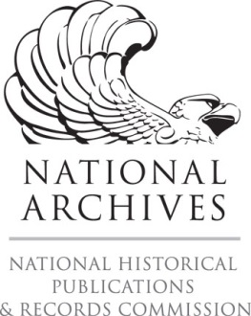
Ohio Historical Records Advisory Board
National Historical Records & Publications (NHPRC)
State and National Archival Partnership (SNAP) Grants Regrant Program
Salaries and Wages | Grant Funds | Matching Funds | Total
 |  |  | $0.00
 |  |  | $0.00
 |  |  | $0.00
 |  |  | $0.00
Subtotals: Salaries and Wages | $0.00 | $0.00 | $0.00
Supplies | Grant Funds | Matching Funds | Total
 |  |  | $0.00
 |  |  | $0.00
 |  |  | $0.00
 |  |  | $0.00
Subtotals: Supplies | $0.00 | $0.00 | $0.00
Equipment | Grant Funds | Matching Funds | Total
 |  |  | $0.00
 |  |  | $0.00
 |  |  | $0.00
 |  |  | $0.00
Subtotals: Equipments | $0.00 | $0.00 | $0.00
Contracted Services | Grant Funds | Matching Funds | Total
 |  |  | $0.00
 |  |  | $0.00
 |  |  | $0.00
 |  |  | $0.00
Subtotals: Contracted Services | $0.00 | $0.00 | $0.00
Other Eligible Expeneses | Grant Funds | Matching Funds | Total
 |  |  | $0.00
 |  |  | $0.00
 |  |  | $0.00
 |  |  | $0.00
Subtotals: Other Eligible Expenses | $0.00 | $0.00 | $0.00
Summary Budget | Grant Funds | Matching Funds | Total
Salaries and Wages | $0.00 | $0.00 | $0.00
Supplies | $0.00 | $0.00 | $0.00
Equipment | $0.00 | $0.00 | $0.00
Contracted Services | $0.00 | $0.00 | $0.00
Other Eligible Expeneses | $0.00 | $0.00 | $0.00
Total Project Budget | $0.00 | $0.00 | $0.00
 | Yes | No
If you do not receive full funding, will you accept partial funding and still complete the project as outlined in the application?

